Sheet1
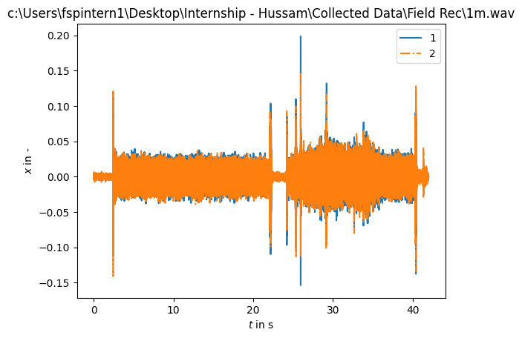
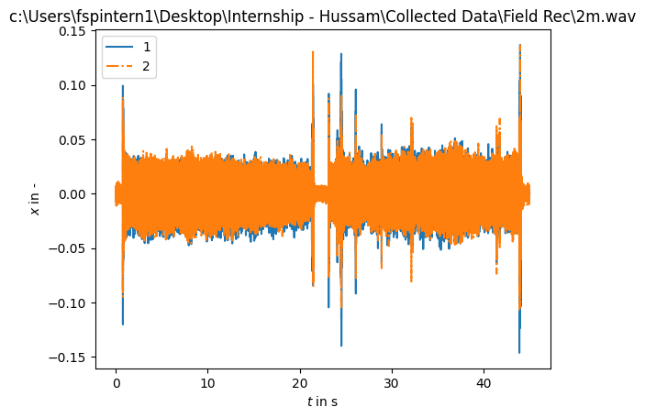
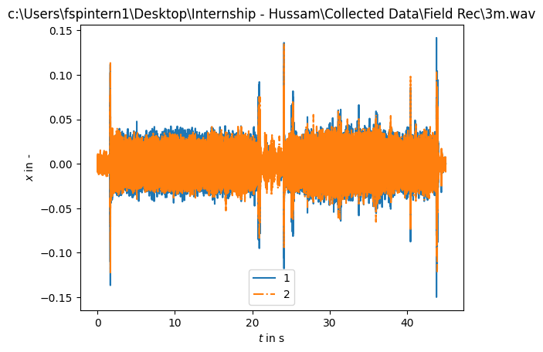
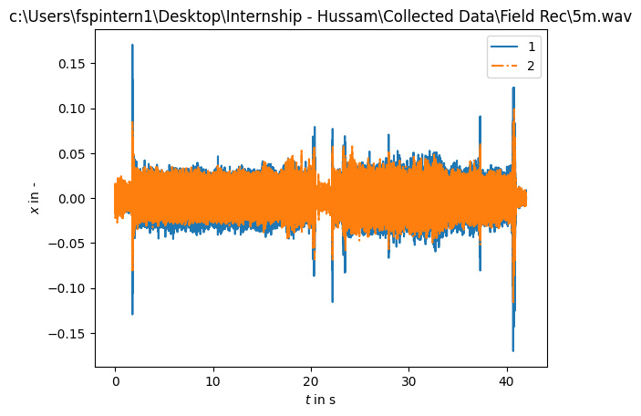
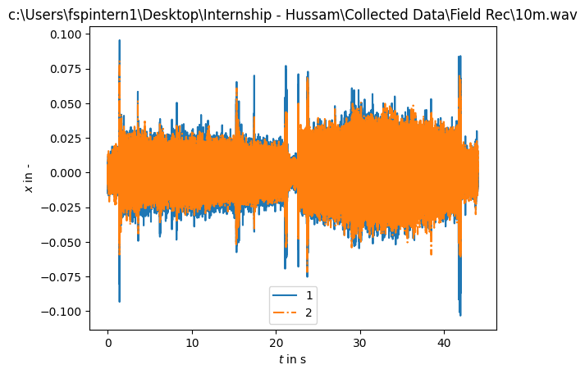
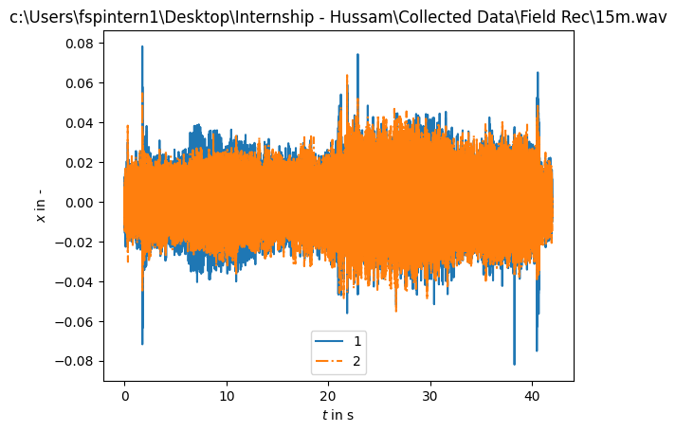
Recording | Distance | Channel | LAeq | LAeq_5 | LAeq_10 | LAeq_50 | LAeq_90 | LAeq_95 | LAeq_min | LAeq_max | LAeq_kurt | LAeq_skew | LZeq | LZeq_5 | LZeq_10 | LZeq_50 | LZeq_90 | LZeq_95 | LZeq_min | LZeq_max | LZeq_kurt | LZeq_skew | LCeq | LCeq_5 | LCeq_10 | LCeq_50 | LCeq_90 | LCeq_95 | LCeq_min | LCeq_max | LCeq_kurt | LCeq_skew | SEL | N_5 | N_10 | N_50 | N_90 | N_95 | N_min | N_max | N_kurt | N_skew | N_avg | S_L_5 | S_L_10 | S_L_50 | S_L_90 | S_L_95 | S_L_min | S_L_max | S_L_kurt | S_L_skew | S_L_avg | S_perseg_5 | S_perseg_10 | S_perseg_50 | S_perseg_90 | S_perseg_95 | S_perseg_min | S_perseg_max | S_perseg_kurt | S_perseg_skew | S_perseg_avg | R_5 | R_10 | R_50 | R_90 | R_95 | R_min | R_max | R_kurt | R_skew | R_avg | ZCR | MEANt | VARt | SKEWt | KURTt | LEQt | BGNt | SNRt | MED | Ht | ACTtFraction | ACTtCount | ACTtMean | EVNtFraction | EVNtMean | EVNtCount | MEANf | VARf | SKEWf | KURTf | NBPEAKS | LEQf | ENRf | BGNf | SNRf | Hf | EAS | ECU | ECV | EPS | EPS_KURT | EPS_SKEW | ACI | NDSI | rBA | AnthroEnergy | BioEnergy | BI | ROU | ADI | AEI | LFC | MFC | HFC | ACTspFract | ACTspCount | ACTspMean | EVNspFract | EVNspMean | EVNspCount | TFSD | H_Havrda | H_Renyi | H_pairedShannon | H_gamma | H_GiniSimpson | RAOQ | AGI | ROItotal | ROIcover
1m | 1 | Left | 62.466480387 | 67.005104079 | 65.941958437 | 60.996918541 | 38.399519517 | 35.58238335 | 33.745081776 | 69.949403053 | 2.3467965428 | -1.9094775717 | 62.580179071 | 66.865909928 | 65.809768719 | 61.454349966 | 46.730645392 | 42.559767427 | 40.452238858 | 69.942588981 | 2.4301952138 | -1.8150036505 | 62.378488672 | 66.742870973 | 65.662308643 | 61.247620154 | 46.090892157 | 41.534140372 | 39.742287581 | 69.895662249 | 2.4088346975 | -1.8272852704 | 78.81322399241805 | 16.375853045 | 15.692213317 | 13.06648128 | 2.671268851 | 2.0699072311 | 0.0001414571482 | 23.959901681 | 1.6376197119 | -1.5671643352 | 12.207605502 | 1.9416103447 | 1.870865325 | 1.7057319433 | 1.4367710133 | 1.234529444 | 0 | 12.736395791 | 265.16049454 | 9.6441980219 | 1.6925227711 | 1.8940046151 | 1.8440745419 | 1.7172048249 | 1.5385196597 | 1.3285987267 | 1.1583424408 | 2.6680923738 | 5.5119384766 | -0.22464469926 | 1.7097954103 | 0.10199957119 | 0.070052747923 | 0.03632032885 | 0.010909421864 | 0.0069342938897 | 0.002927257551 | 1.343924068 | 93.665432236 | 9.0749344317 | 0.052047959868 | 3736.8111986 | -0.00021914190438 | 0.00072451791493 | -0.019803288107 | 6.4961143575 | 61.621928215 | -23.394647598 | 1.0115418434 | 0.067649975419 | 0.94863319542 | 0.13687150838 | 539 | 5.5471140146 | 0.11147790757 | 0.04180952381 | 2.667005334 | 0.00055525830248 | 1.1058812106E-06 | 3.6315943195 | 20.222232086 | 26 | 61.597786437 | -31.402213453 | -36.918673441 | 5.516459988 | 0.6478938067 | 0.012965040363 | 0.14504796088 | 0.11186369727 | 0.12584242477 | 39.290250645 | 5.4567162735 | 300.57006836 | -0.18722251058 | 0.68460416794 | 2.2257187366 | 1.5237363577 | 41.768661458 | 2.5548634529 | 2.2452882887 | 0.17922547854 | 0.21736670746 | 0.21288927552 | 0.23735579564 | 0.21828466313 | 859.38671875 | 11.721497774 | 0.082446481299 | 0.064450685947 | 1.2476386094 | 0.6118555665 | 0.33255178318 | 3.0278093815 | 5.0236959457 | 8319.7780781 | 0.96466140449 | 0.16685289337 | 1.5922775269 | 28 | 0.98132500953
 | 1 | Right | 61.486553534 | 66.282269073 | 65.070219122 | 59.666081461 | 41.90620264 | 39.087945447 | 37.514130466 | 70.071902329 | 2.0332903843 | -1.704273794 | 62.579369584 | 66.630641115 | 65.591764175 | 61.470723798 | 52.300402089 | 48.291322192 | 44.33884078 | 70.246490943 | 2.5049344094 | -1.6361205607 | 62.28961778 | 66.481706151 | 65.35917646 | 61.189748014 | 51.240917192 | 47.106994454 | 43.681942662 | 70.191252568 | 2.4728566221 | -1.673301246 | 78.8124135353893 | 16.239374915 | 15.527057447 | 13.016634122 | 3.6423991527 | 2.9868778665 | 0.00016208631565 | 23.788099743 | 1.6576399521 | -1.5008382251 | 12.280902316 | 1.9652786491 | 1.8922927648 | 1.7087005065 | 1.4878260798 | 1.3048483841 | 0 | 21.525441648 | 848.12267654 | 18.273187604 | 1.7117503753 | 1.930533667 | 1.8807431004 | 1.7248616416 | 1.6213968086 | 1.3931823007 | 1.2194146114 | 2.7351144376 | 7.395915997 | 0.80843520634 | 1.7349560971 | 0.10098108461 | 0.072899445209 | 0.037619570647 | 0.018556631514 | 0.011824548014 | 0.0021593658047 | 1.0272510881 | 69.756815689 | 7.6643223781 | 0.052554580531 | 3597.6383951 | -0.00030526143382 | 0.00072433770401 | 0.016499145286 | 5.7694717896 | 61.62112236 | -23.511066437 | 0.97543954849 | 0.066749304533 | 0.9522007643 | 0.12595226003 | 496 | 5.6222677231 | 0.10182833926 | 0.043205387205 | 2.3574422149 | 0.0005660073366 | 1.0965925412E-06 | 3.8356385787 | 21.394239544 | 26 | 61.606265509 | -31.393734214 | -36.771990952 | 5.3782567382 | 0.63997629873 | 0.016903096555 | 0.19949891828 | 0.14413893451 | 0.1303625535 | 55.389504173 | 6.3314886915 | 299.62557983 | -0.37028959394 | 0.45954552293 | 2.3266634941 | 1.0692077875 | 38.053208333 | 2.3821673393 | 2.2793343937 | 0.12147811652 | 0.23205255501 | 0.21159689988 | 0.22971215245 | 0.21287673435 | 838.09570312 | 11.557629108 | 0.076473500603 | 0.064131499254 | 1.1496660186 | 0.52726876736 | 0.33253374036 | 3.0163977146 | 4.9735584259 | 9380.0943996 | 0.96319001541 | 0.17436706916 | 1.5597538948 | 31 | 1.9907289815
2m | 2 | Left | 58.142880171 | 60.290514314 | 59.753913943 | 57.862039075 | 55.637374356 | 37.065964227 | 33.621027346 | 66.89328358 | 8.3064956207 | -3.0251248808 | 58.277509295 | 60.295791025 | 59.706455421 | 58.070788212 | 56.283023718 | 44.103401404 | 41.131153169 | 66.423952425 | 7.3827542082 | -2.725833246 | 57.967563769 | 59.988956287 | 59.453404991 | 57.776696771 | 55.783759488 | 43.42853268 | 40.317401686 | 65.620555568 | 7.4252808932 | -2.7589378405 | 74.81092184706125 | 12.041825159 | 11.683603409 | 10.718270637 | 9.3421532921 | 2.3574438602 | 5.5993454496E-05 | 20.370577305 | 6.81178166 | -2.4615422454 | 10.22281586 | 1.9843165295 | 1.9250281599 | 1.7625043025 | 1.5634180455 | 1.2282526378 | 0 | 12.230290019 | 258.6543655 | 8.4503288584 | 1.7445871566 | 1.9356682245 | 1.8739571622 | 1.7708688675 | 1.7041513027 | 1.2826269604 | 1.1206005769 | 2.8856616207 | 7.9314862057 | -1.4552408169 | 1.7604294909 | 0.08107175375 | 0.063537994425 | 0.038197863992 | 0.020988061861 | 0.015684128275 | 0.0014707799911 | 1.1869172826 | 101.40922278 | 9.3596845852 | 0.049520159258 | 4376.6143365 | -0.00016538957425 | 0.00026900906232 | -0.066919561902 | 5.1089010423 | 57.319993973 | -26.89043045 | 0.54951429367 | 0.045235410333 |  | 0.05308056872 | 224 | 5.8765739202 | 0.025118483412 | 0.032304761905 | 0.77773168997 | 0.00036643765634 | 3.9132874008E-07 | 2.8249516683 | 13.119005798 | 25 | 57.299296915 | -35.700702962 | -39.949825871 | 4.2491229086 | 0.69623300859 | 0.012672771124 | 0.2325028844 | 0.1592479765 | 0.2357969638 | 170.01675768 | 11.853860569 | 296.980896 | -0.072723798454 | 0.86441284418 | 0.80322700739 | 0.69431972504 | 48.183541667 | 1.0519983768 | 2.288849289 | 0.088846488456 | 0.20998082269 | 0.19349304344 | 0.22697542127 | 0.20340229838 | 858.15429688 | 10.916980505 | 0.066825206654 | 0.060910685115 | 1.0513587832 | 0.59664040804 | 0.33298264514 | 3.4285004139 | 5.3313045502 | 10168.655955 | 0.97631552443 | 0.20122448252 | 1.4997467995 | 65 | 0.70143991467
 | 2 | Right | 56.699480184 | 59.428113313 | 58.609874331 | 56.193629027 | 53.819262892 | 39.905173816 | 36.847728033 | 64.0803215 | 7.2573989648 | -2.7289981173 | 58.277392726 | 60.335335813 | 59.65765762 | 58.182377292 | 56.283198209 | 48.635507177 | 44.578523695 | 64.785701404 | 6.7864167114 | -2.4881579582 | 57.901735169 | 59.964411912 | 59.371181873 | 57.83504544 | 55.813313653 | 47.678429998 | 43.918207154 | 63.449607933 | 6.9289744171 | -2.5715288494 | 74.8108046153125 | 11.780157068 | 11.418138242 | 10.389731154 | 8.9160363551 | 3.1291974094 | 7.6622621943E-05 | 18.453287065 | 6.211999358 | -2.2888140544 | 9.9876201925 | 1.9573904291 | 1.8884797322 | 1.7113863354 | 1.5344031158 | 1.2907359841 | 0 | 10.084524552 | 138.24494733 | 6.0253408336 | 1.7092951245 | 1.9253458765 | 1.8670683223 | 1.7238927836 | 1.6509786402 | 1.3487172754 | 1.1405597573 | 2.6166068719 | 5.3167051685 | -0.53336899889 | 1.7315232243 | 0.076126819434 | 0.062128023203 | 0.036637422455 | 0.020715197228 | 0.0161287143 | 0.0022739173061 | 0.66172622745 | 71.162399527 | 7.4693819325 | 0.044846828115 | 3828.4656398 | -0.00021747291612 | 0.00026898190845 | -0.018419805406 | 4.1649487221 | 57.319879532 | -27.066936493 | 0.43893814087 | 0.044325448573 |  | 0.053317535545 | 225 | 5.3498053551 | 0.027488151659 | 0.035352380952 | 0.77773168997 | 0.00035188824404 | 3.9920016093E-07 | 3.4084510657 | 16.655443672 | 26 | 57.277927865 | -35.722071936 | -39.975083794 | 4.2530118574 | 0.6590822336 | 0.0097988035055 | 0.16545728924 | 0.12898481814 | 0.1905465287 | 278.68183136 | 15.473509884 | 297.43743896 | -0.35056003928 | 0.48086717725 | 0.89615547657 | 0.43093174696 | 35.131934896 | 0.99143970013 | 2.2978853969 | 0.054206264094 | 0.2240298218 | 0.19020910831 | 0.21026144187 | 0.19405238949 | 818.70703125 | 10.504726171 | 0.058291916035 | 0.060377017059 | 0.91774127901 | 0.50165557861 | 0.33285758373 | 3.2760033607 | 5.0964426994 | 9876.2284273 | 0.97023671679 | 0.18311366807 | 1.463136673 | 101 | 2.3156498133
3m | 3 | Left | 55.482108934 | 57.913387505 | 57.09203607 | 55.257461087 | 37.135948443 | 35.863402198 | 33.909146125 | 63.347044963 | 3.0930048951 | -2.1221701308 | 55.837007007 | 58.109505437 | 57.21271761 | 55.690017545 | 51.610307714 | 45.102662914 | 41.187773773 | 63.158027839 | 4.7777256915 | -2.0563340621 | 55.310362414 | 57.859354635 | 56.962276401 | 55.094998337 | 45.945299329 | 43.44750027 | 40.530409615 | 62.721439376 | 3.0406876905 | -1.8801680933 | 72.37041989263471 | 10.348564469 | 10.006219689 | 9.1672687079 | 2.5382622607 | 2.138727446 | 5.5993454496E-05 | 16.831077209 | 2.6349704936 | -1.8731765234 | 8.4587037436 | 2.0035246286 | 1.9518185202 | 1.766614487 | 1.4225248598 | 1.1943696355 | 0 | 12.293927019 | 159.21880345 | 5.6407271131 | 1.7398354486 | 1.9158737372 | 1.8690591826 | 1.7964723969 | 1.6072959976 | 1.2784709767 | 1.0294108801 | 2.3560222047 | 4.3618794377 | -1.841431035 | 1.7577307286 | 0.08762645769 | 0.071753344015 | 0.038788850952 | 0.011439404055 | 0.0087996239081 | 0.0016935565804 | 1.0753997598 | 83.223431438 | 8.3481507021 | 0.049725377427 | 4371.771327 | -0.0001422961941 | 0.00015335690114 | -0.0092429306484 | 6.0302695299 | 54.879493713 | -29.198013306 | 0.41850423813 | 0.034681621939 |  | 0.050947867299 | 215 | 5.886208415 | 0.026303317536 | 0.037 | 0.71106897369 | 0.00027835179935 | 2.115874338E-07 | 2.3331232174 | 9.0652298967 | 29 | 54.702687388 | -38.297312605 | -42.618657841 | 4.3213452365 | 0.71957640489 | 0.0087118603181 | 0.14460420047 | 0.10962045349 | 0.30744252074 | 367.51599874 | 18.739812532 | 293.95877075 | -0.028110900894 | 0.94531542063 | 0.41055589914 | 0.38810482621 | 49.658489583 | 0.57886844873 | 2.2604806699 | 0.15505113908 | 0.22033441789 | 0.21452668474 | 0.21604700772 | 0.20595955425 | 868.94335938 | 10.534296036 | 0.068497792723 | 0.065728741449 | 1.017238134 | 0.590901196 | 0.33314959621 | 3.7516961098 | 5.4799547195 | 10631.147413 | 0.9821948465 | 0.21413762977 | 1.4980831146 | 61 | 2.2554681945
 | 3 | Right | 53.034386193 | 56.383016568 | 55.42262032 | 52.088990935 | 38.621389084 | 37.285728655 | 35.907468697 | 60.299773771 | 2.3211477828 | -1.7723674248 | 55.836072668 | 58.337687897 | 57.341978915 | 55.59549368 | 53.761756948 | 48.702079295 | 43.420627768 | 61.361828025 | 5.8083286724 | -1.9819717075 | 54.932658761 | 57.196236292 | 56.366739736 | 54.885955216 | 49.052444233 | 46.003094691 | 42.784451822 | 60.744578411 | 3.7484905299 | -1.9497365324 | 72.3694850769097 | 9.7422583055 | 9.4423798926 | 8.2905016508 | 2.9563825206 | 2.5265575453 | 7.0728574101E-05 | 14.683403861 | 2.2362378453 | -1.6482508957 | 7.8143380291 | 1.9376375078 | 1.868363832 | 1.698383548 | 1.4556969293 | 1.2342108037 | 0 | 9.04730091 | 114.51718679 | 5.2274944085 | 1.6872795658 | 1.9007150121 | 1.8328881951 | 1.7262025297 | 1.5879919991 | 1.314936168 | 1.0961139259 | 2.3965065179 | 4.0977508016 | -1.0708038688 | 1.7133076143 | 0.080641595449 | 0.053795111179 | 0.030820402217 | 0.013966589028 | 0.010326495126 | 0.0020754728901 | 0.74589061398 | 62.706690789 | 7.0688375016 | 0.041296108253 | 3362.3815166 | -0.00016597447393 | 0.00015331666509 | 0.00019411528884 | 4.1930376996 | 54.878559113 | -29.887306213 | 0.48048448563 | 0.032035734504 |  | 0.060900473934 | 257 | 5.4040122032 | 0.038625592417 | 0.036992907801 | 1.0443825551 | 0.00024341547396 | 2.0541104107E-07 | 3.8354464549 | 22.042575165 | 29 | 54.319617168 | -38.680382597 | -43.037317535 | 4.3569349378 | 0.64082340883 | 0.0094709826464 | 0.1567863442 | 0.11715819063 | 0.1751407882 | 208.38646453 | 12.83590392 | 295.62469482 | -0.42485967278 | 0.40364700556 | 0.46094563603 | 0.18605932593 | 41.238809896 | 0.51767027378 | 2.2923853472 | 0.080163283408 | 0.23227175763 | 0.20581332659 | 0.19983573755 | 0.19493613341 | 822.43554688 | 10.233386755 | 0.057283642451 | 0.061574399995 | 0.87315870044 | 0.47807702422 | 0.33243351251 | 2.9573512077 | 4.9783468246 | 9125.2934272 | 0.96230821684 | 0.16874800969 | 1.4656317234 | 121 | 3.1462487408
5m | 5 | Left | 53.222830939 | 56.462844783 | 55.584447912 | 52.451521373 | 39.860670099 | 37.624220268 | 32.214496927 | 61.873216719 | 4.1173967963 | -2.1267575464 | 53.936267036 | 56.753219999 | 55.920192352 | 53.324591619 | 50.592516073 | 45.95949316 | 40.554981284 | 61.787859563 | 4.2001553239 | -1.5905634089 | 53.375420103 | 56.581283197 | 55.621149112 | 52.661945174 | 49.393423704 | 42.437677529 | 38.98802352 | 61.252323526 | 4.1512297658 | -1.7675303465 | 70.16931141886396 | 9.2243439648 | 8.8239505278 | 7.729606083 | 3.1704034816 | 2.3756760239 | 5.3046430576E-05 | 14.529096044 | 3.1556981835 | -1.7347583772 | 7.3584451491 | 2.101190323 | 2.0271883559 | 1.753128414 | 1.5243824778 | 1.2666026127 | 0 | 12.474183525 | 162.63726069 | 5.9672167639 | 1.7589798687 | 1.9484620628 | 1.9135804607 | 1.8196673848 | 1.6294767778 | 1.3719263956 | 1.1843610166 | 2.4125375102 | 3.1292915255 | -1.1519845981 | 1.7819237555 | 0.11770934309 | 0.10979411427 | 0.049138235404 | 0.014688963201 | 0.010339817284 | 0.0014005033465 | 0.8846582691 | 76.058539913 | 7.4158858595 | 0.060845885748 | 4251.555358 | -0.00013804106857 | 9.899269935E-05 | -0.040883712654 | 5.8442453308 | 52.978019714 | -31.108779907 | 0.53497076035 | 0.027833063155 | 0.96556101803 | 0.063484002031 | 250 | 5.6431752443 | 0.035551041138 | 0.034728682171 | 1.0239395479 | 0.00021942629246 | 1.3651724373E-07 | 2.7977027887 | 13.349630113 | 32 | 52.756548234 | -40.243451192 | -44.212910384 | 3.9694591916 | 0.70106037051 | 0.0136644074 | 0.34881778824 | 0.25427253839 | 0.18827294709 | 132.21037734 | 10.089713535 | 289.96362305 | -0.13482443988 | 0.76238715649 | 0.25756981969 | 0.19636791945 | 46.092677083 | 0.3472879529 | 2.2892486251 | 0.089348220049 | 0.2060405939 | 0.19495262825 | 0.18179347987 | 0.18069209185 | 711.38476562 | 10.272072554 | 0.049018625381 | 0.060659852865 | 0.74228426305 | 0.56995123625 | 0.33296134397 | 3.3990166187 | 5.3614039421 | 10428.562214 | 0.97630644403 | 0.20769993035 | 1.4258402586 | 171 | 3.5725270669
 | 5 | Right | 50.300399622 | 54.149863371 | 53.231402041 | 48.938076964 | 40.010919029 | 37.791391748 | 32.39372967 | 57.890436677 | 3.0968353606 | -1.6735173227 | 53.936760511 | 56.623857771 | 55.712340545 | 53.588642499 | 51.676681541 | 49.267066029 | 42.168878414 | 59.661122552 | 6.9940629871 | -1.8909019888 | 52.930765254 | 55.202365137 | 54.374502348 | 52.865234692 | 50.84807242 | 44.886281255 | 39.190772867 | 58.135126782 | 7.0793272382 | -2.4891911272 | 70.16980299397852 | 8.2283013092 | 7.8961939667 | 6.7604702193 | 3.4005709477 | 2.488566847 | 6.1887502338E-05 | 12.077301157 | 2.8762959599 | -1.6124413604 | 6.5210640106 | 2.0433115099 | 1.9673314575 | 1.7120949363 | 1.4634135313 | 1.2780198551 | 0 | 12.445999075 | 161.50852842 | 5.8797181714 | 1.7118425963 | 1.92096917 | 1.8472742974 | 1.7561603194 | 1.6178550743 | 1.3844034449 | 1.202711678 | 2.4546244455 | 4.5933361453 | -0.77632979264 | 1.7377722178 | 0.068250427165 | 0.056604601379 | 0.034762232721 | 0.016137785171 | 0.012340454393 | 0.003176726679 | 0.62326810286 | 117.09454273 | 9.9027091381 | 0.039594574876 | 3166.6455053 | -0.00014256025315 | 9.9002696516E-05 | 0.13113606963 | 3.6456915422 | 52.978510857 | -32.123985291 | 0.48600912094 | 0.024762855843 | 0.9770114874 | 0.06907059421 | 272 | 4.8314657807 | 0.042915185373 | 0.030553672316 | 1.4049403099 | 0.00017920846585 | 1.3534840093E-07 | 5.4213025315 | 46.196830665 | 23 | 52.331916472 | -40.668084067 | -44.337266662 | 3.6691825949 | 0.57988945879 | 0.011855242562 | 0.28956926661 | 0.20457042045 | 0.13755738333 | 45.239293348 | 6.0875899739 | 289.94229126 | -0.5290813446 | 0.30797487497 | 0.27987647057 | 0.08619491756 | 39.424835937 | 0.26531994343 | 2.2977753512 | 0.054729846097 | 0.21020851133 | 0.18397006742 | 0.17709269837 | 0.17427659465 | 686.12695312 | 9.8724573851 | 0.042904257684 | 0.058770487236 | 0.67120063596 | 0.46336218715 | 0.32918399076 | 2.1930966377 | 4.5781402588 | 7604.0047622 | 0.92583703995 | 0.14721785636 | 1.4091413021 | 217 | 4.8493261049
10m | 10 | Left | 48.947358026 | 52.89076084 | 52.08990641 | 47.57718516 | 41.517631625 | 37.788616116 | 32.775404092 | 56.156831988 | 2.2975202322 | -1.3122851098 | 50.435589544 | 53.827489804 | 52.989724828 | 49.606865732 | 46.777930199 | 44.568544042 | 40.25829526 | 56.654189346 | 1.1501158353 | -0.58841169178 | 50.091796994 | 53.633547285 | 52.748230098 | 49.182843464 | 46.432398135 | 43.661655847 | 39.204018531 | 56.54803941 | 1.1782003985 | -0.63275900534 | 66.8711693738273 | 7.1366611704 | 6.8887165861 | 5.6739960475 | 3.4569165847 | 2.4485537562 | 5.5993454496E-05 | 10.442031293 | 2.1573547764 | -1.198032957 | 5.5903742901 | 1.8571725683 | 1.7878247842 | 1.584608985 | 1.3691576221 | 1.2502609535 | 0 | 8.2858297517 | 99.767628278 | 5.1409702749 | 1.587287387 | 1.7721803051 | 1.7255352958 | 1.6342286771 | 1.4444882412 | 1.3355163896 | 1.1361600879 | 2.2302833688 | 2.1283459616 | -0.46304259146 | 1.6074000115 | 0.066441701244 | 0.054711569889 | 0.028682773286 | 0.012642022112 | 0.0085061055966 | 0.0011402657661 | 0.53820839454 | 71.32551584 | 7.2629538824 | 0.035286069451 | 3382.7708434 | -0.0001440262713 | 4.4199277909E-05 | -0.0069519096529 | 4.581160972 | 49.477844238 | -35.450263977 | 0.88431930542 | 0.016884451732 |  | 0.12966553563 | 535 | 4.876961112 | 0.092583616093 | 0.040343234323 | 2.2954545455 | 0.00013373994443 | 6.9014390647E-08 | 3.4743077327 | 17.612870432 | 26 | 49.482935074 | -43.517064853 | -47.257282401 | 3.7402175486 | 0.64330095268 | 0.0069438020416 | 0.19094954708 | 0.15478561326 | 0.11773238235 | 41.732978704 | 5.6576190247 | 289.61947632 | -0.39553654194 | 0.43314054608 | 0.15150888264 | 0.065624639392 | 42.204046875 | 0.1858945936 | 2.2580889291 | 0.16180785969 | 0.20561983471 | 0.18161469618 | 0.15630162086 | 0.16296827652 | 672.24414062 | 8.3636152744 | 0.031188920455 | 0.054393876239 | 0.50744723626 | 0.47153738141 | 0.33272013154 | 3.149102211 | 4.9966263771 | 7730.3903531 | 0.96764917299 | 0.13663643985 | 1.3320593834 | 235 | 5.3770359848
 | 10 | Right | 45.529580589 | 49.619881217 | 48.885633688 | 43.915894859 | 38.086443595 | 35.305682055 | 31.878300013 | 52.499158441 | 0.90614575714 | -0.78603298665 | 50.434595677 | 53.45863344 | 52.997907155 | 49.844891452 | 46.451313103 | 45.516995189 | 39.917450533 | 54.719281835 | 0.34851955667 | -0.6281530725 | 50.003659242 | 53.104838226 | 52.636335799 | 49.357276847 | 45.896327051 | 44.392602346 | 39.221676524 | 54.469156527 | 0.34746850553 | -0.64288556522 | 66.87017661398723 | 6.0234878006 | 5.8134139458 | 4.5430124838 | 2.8925250655 | 2.0950192311 | 6.4834526259E-05 | 8.6293424175 | 0.91315125853 | -0.75494810666 | 4.577172013 | 1.7266238622 | 1.6557635478 | 1.4876884052 | 1.3077219456 | 1.2068220274 | 0 | 7.2782153568 | 134.99247964 | 7.176517962 | 1.4934308268 | 1.6895069759 | 1.6230795959 | 1.5238844848 | 1.3904935482 | 1.3013618046 | 1.0861283312 | 2.5889932429 | 11.0442721 | 1.262660546 | 1.5201016314 | 0.063484589916 | 0.046950752892 | 0.023420017506 | 0.010623770146 | 0.0078940557642 | 0.0012089511018 | 0.3841579159 | 52.084106256 | 6.4545656603 | 0.030562287085 | 2274.2214009 | -0.00012566117221 | 4.4194122893E-05 | 0.01092407124 | 3.7980907726 | 49.476847649 | -36.358268738 | 0.94206380844 | 0.015208506957 |  | 0.16165777993 | 667 | 4.5605430007 | 0.11754726127 | 0.037487922705 | 3.1363636364 | 0.00010543173994 | 7.6131939863E-08 | 6.9443698507 | 67.733994692 | 30 | 49.500243436 | -43.499755956 | -47.357802025 | 3.8580460692 | 0.48541927402 | 0.0068261166545 | 0.25592156222 | 0.2045231241 | 0.10063186127 | 19.482045206 | 3.7274861875 | 291.42404175 | -0.74460732937 | 0.14638973773 | 0.16942054033 | 0.024801427498 | 35.258109375 | 0.15981177986 | 2.2812528291 | 0.11423312256 | 0.21635261708 | 0.18735500079 | 0.15761634954 | 0.16619081439 | 685.53710938 | 8.3589118719 | 0.03254782197 | 0.053522724525 | 0.5311124193 | 0.36541840434 | 0.32462360151 | 1.8223509789 | 3.9643654823 | 4519.4377419 | 0.88237771392 | 0.069802792694 | 1.3268824816 | 263 | 5.407907197
15m | 15 | Left | 45.188408053 | 48.688588598 | 47.731628035 | 44.436254012 | 41.710295843 | 38.389136457 | 34.980009501 | 52.896007873 | 1.628217594 | -0.70193509332 | 50.135599133 | 52.866494299 | 52.417972247 | 49.693694756 | 47.139028365 | 46.576521252 | 45.188749235 | 54.575604102 | -0.88788351517 | 0.060512753451 | 49.578683999 | 52.40664305 | 51.861717804 | 49.136727277 | 46.381036811 | 45.891036828 | 43.15444708 | 54.135319775 | -0.67396333526 | -0.0077676868994 | 66.36864361700988 | 5.479919031 | 5.2848005392 | 4.5097756737 | 3.643378867 | 2.7013289156 | 0.00011198690899 | 7.8137973248 | 2.0665116042 | -0.67190261787 | 4.4411676193 | 1.6823886253 | 1.6147167383 | 1.4470235641 | 1.2907455897 | 1.2225396994 | 0 | 11.952250718 | 355.56845125 | 10.058962801 | 1.4582821451 | 1.6549722896 | 1.5952233883 | 1.485415418 | 1.3992721003 | 1.3540122337 | 1.0895903759 | 1.9714214399 | 4.6008987902 | 0.40937380919 | 1.4903829664 | 0.051413179125 | 0.042198115848 | 0.022465937381 | 0.013293032264 | 0.011220524766 | 0.0038801926096 | 0.71305499182 | 149.97624418 | 11.524949458 | 0.029973119659 | 2159.0115541 | -0.00013409250823 | 4.1250626964E-05 | 0.011246947413 | 3.2794858306 | 49.177350998 | -36.611812592 | 0.66538858414 | 0.014770983718 | 0.97872186069 | 0.10335195531 | 407 | 4.4377228618 | 0.059167089893 | 0.031459915612 | 1.8811912624 | 9.6247975307E-05 | 7.1508345911E-08 | 8.0029613443 | 88.106729336 | 20 | 49.165307884 | -43.834691086 | -47.175368561 | 3.3406774751 | 0.45314929021 | 0.0072681312236 | 0.26523315064 | 0.21281919001 | 0.11037044786 | 39.41663749 | 5.5553945804 | 295.43157959 | -0.67969733477 | 0.19069071114 | 0.14686518908 | 0.028005827218 | 45.819682292 | 0.14629097283 | 2.230721308 | 0.19773368781 | 0.16425751033 | 0.18631792704 | 0.14028152707 | 0.15612994507 | 614.68359375 | 8.1078696251 | 0.025892176784 | 0.05070044532 | 0.41877932665 | 0.3825237751 | 0.31991261741 | 1.6061717272 | 3.7422864437 | 3770.5984657 | 0.84656965733 | 0.072799479004 | 1.3017166853 | 293 | 6.8037905607
 | 15 | Right | 42.258941691 | 45.604131342 | 44.805289004 | 41.446298708 | 38.800593091 | 37.142252568 | 33.286083428 | 49.814304007 | 0.93539292605 | -0.25291319 | 50.134288896 | 53.075471863 | 52.491502759 | 49.671752227 | 46.608410218 | 45.964938494 | 44.827331407 | 54.585904929 | -0.71763890472 | -0.074820569414 | 49.415010298 | 52.138708268 | 51.682980462 | 49.060925717 | 45.968626877 | 45.178304945 | 43.451803837 | 53.611015112 | -0.76679945339 | -0.17328781917 | 66.3673335948084 | 4.6094287906 | 4.4142746191 | 3.6513523264 | 2.8969027104 | 2.4559825176 | 7.9569645863E-05 | 6.5384446957 | 0.9198635037 | -0.20534536806 | 3.6566472499 | 1.6505716982 | 1.5580161994 | 1.3717831552 | 1.2156212259 | 1.1601485208 | 0 | 7.8760991742 | 97.654752659 | 5.7226313821 | 1.3901051462 | 1.6506576329 | 1.5498027057 | 1.4161315457 | 1.3292886024 | 1.289491284 | 1.0025910032 | 2.1109616067 | 5.813458102 | 1.2732915342 | 1.4289149006 | 0.051972318899 | 0.039272799167 | 0.021268662352 | 0.010455980183 | 0.0083203231052 | 0.0029738778241 | 0.43641581878 | 107.6354233 | 9.275005128 | 0.026553175729 | 1562.992001 | -0.00012097480067 | 4.1241524741E-05 | 0.018846604834 | 3.3532298352 | 49.176039696 | -37.519901276 | 0.85187721252 | 0.013304694556 | 0.97643249257 | 0.14626714068 | 576 | 4.4358026981 | 0.099035043169 | 0.037142857143 | 2.667005334 | 7.7847034845E-05 | 7.3935858325E-08 | 9.6387481278 | 113.79137953 | 18 | 49.123382653 | -43.876617054 | -47.069311077 | 3.1926940225 | 0.36350138431 | 0.006553130996 | 0.29144739206 | 0.23621437836 | 0.070850906603 | 18.864980699 | 3.5799101597 | 296.73910522 | -0.84446537495 | 0.084325067699 | 0.15121211112 | 0.012750971131 | 39.832401042 | 0.15134993196 | 2.1811459731 | 0.26550802363 | 0.16068995774 | 0.18702202171 | 0.13761038685 | 0.15505093901 | 610.43554688 | 7.9785132408 | 0.023093706344 | 0.049843590084 | 0.38393532358 | 0.29511538148 | 0.31262856598 | 1.3893895149 | 3.1508414745 | 2322.2375906 | 0.79130786657 | 0.038437036038 | 1.2910609245 | 302 | 6.038266764

Sheet2
Channel | Distance | Laeq (Left) | N_avg (Left) | S_L_avg (Left) | R_avg (Left)
Left | 1 | 62.466480387 | 12.207605502 | 1.6925227711 | 0.052047959868
Left | 2 | 58.142880171 | 10.22281586 | 1.7445871566 | 0.049520159258
Left | 3 | 55.482108934 | 8.4587037436 | 1.7398354486 | 0.049725377427
Left | 5 | 53.222830939 | 7.3584451491 | 1.7589798687 | 0.060845885748
Left | 10 | 48.947358026 | 5.5903742901 | 1.587287387 | 0.035286069451
Left | 15 | 45.188408053 | 4.4411676193 | 1.4582821451 | 0.029973119659
Channel | Distance | Laeq (Right) | N_avg (Right) | S_L_avg (Right) | R_avg (Right)
Right | 1 | 61.486553534 | 12.280902316 | 1.7117503753 | 0.052554580531
Right | 2 | 56.699480184 | 9.9876201925 | 1.7092951245 | 0.044846828115
Right | 3 | 53.034386193 | 7.8143380291 | 1.6872795658 | 0.041296108253
Right | 5 | 50.300399622 | 6.5210640106 | 1.7118425963 | 0.039594574876
Right | 10 | 45.529580589 | 4.577172013 | 1.4934308268 | 0.030562287085
Right | 15 | 42.258941691 | 3.6566472499 | 1.3901051462 | 0.026553175729

